INSTRUCTIONS
Draft Survey Questionnaire for Rule 1151
South Coast Air Quality Management District
Planning, Rule Development and Implementation
(December 2023)
Thank you for taking the time to complete this survey questionnaire. This survey questionnaire is to collect pertinent information for VOC emitting products used in motor vehicle and mobile equipment non-assembly line coating operations that are potentially subject to Rule 1151.
The information collected will be used for rule development purposes and will not be used for compliance determination.
Specific fields of this draft survey spreadsheet are explained as follows.
General Instructions
(1) | This Instructions tab is designed to provide guidance and explanation about filling this survey spreadsheet. Please select the Coating Manufacturer Survey tab and enter the data for each field. You may need to re-visit this Instructions tab while filling out the survey.
(2) | Some fields have a drop-down list. Please select one in the drop-down list. If you do not see what you wanted to select in the list, please add that to the drop-down list and continue to enter the data for the subsequent fields.
(3) | There are a total of five sections to be completed. Please fill out each section and include the information for all applicable products sold in and/or for use in the South Coast AQMD. If more rows are needed, right-click to insert additional rows.
(4) | If you need further assistance to fill in the questionnaire, please contact Christopher Bradley, Air Quality Specialist, at (909) 396-2185 or via email at cbradley@aqmd.gov.

SECTION (A) - MANUFACTURER INFORMATION
(5) | This section is to obtain general manufacturer and contact person information. If necessary, the information provided will allow staff to follow up with additional information or if clarity is needed.

SECTION (B) - AUTOMOTIVE REFINISHING COATINGS
(6) | Complete this section by entering the listed information for all automotive refinishing coatings sold in and for use in the South Coast AQMD, including products of subsidiary companies. When listing subsidiary company products, please include the subsidiary company name in the product code and name column. Choose the applicable coating category from the drop-down in Column C for each product entered. You can also use the Table of Standards below. This information will be used to evaluate the automotive refinishing coatings market within South Coast AQMD and help staff propose a feasible tBAC and pCBTF prohibition timeline, as well as to evaluate VOC content limits.
 | 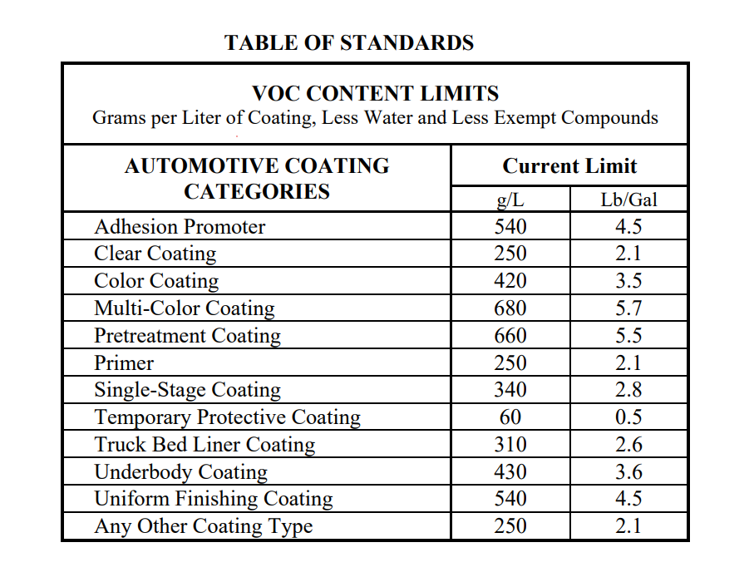

SECTION (C) - REDUCERS
(7) | Complete this section by entering the listed information for all reducers/thinners sold in and for use in the South Coast AQMD. This information will help staff to develop potential requirements for reducers/thinners, such as a VOC content limit.

SECTION (D) - SOLVENT CLEANERS
(8) | Complete this section by entering the listed information for all solvent cleaners, as defined in Rule 1171 – Solvent Cleaning Operations, sold in and for use in the South Coast AQMD. This information will help staff gain a better understanding of all the products used in automotive refinishing operations that emit VOCs.

SECTION (E) - GENERAL SALES INFORMATION
(9) | Complete Section E by entering the listed information for each product category as a whole. This information will help staff understand which coating categories would be most impacted by any proposed changes to VOC content limits, a TBAC and PCBTF prohibition, as well as the the feasibility of manufacturers to comply with such proposals.
 | For example, for color coatings, the responsible party would input the total percentage of the manufacturer's sales in and for use in South Coast AQMD that color coatings account for, the total percentage of those color coating sales that contain tBAC, the total percentage of those color coating sales that contain pCBTF, and the total percentage of those color coating sales that are waterbourne.

MANUFACTURER INFORMATION
South Coast Air Quality Management District
P.O. Box 4944
Diamond Bar, CA 91765
(909) 396-2000
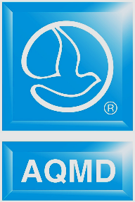 |  | SCAQMD RULE 1151 - Motor Vehicle and Mobile Equipment Non-Assembly Line Coating Operations QUANTITY & EMISSION SURVEY
SECTION (A): MANUFACTURER INFORMATION
Legal Name of Manufacturer (as listed on manufacturer label): | Reporting Year:
 | 2022
Street Address: | City: | State: | Zip Code: | Date Report Completed:

Responsible Party: | Position: | Phone Number: | E-Mail Address: | Comments/Notes:

